Buyer
Signup (Buyer)
Create your account

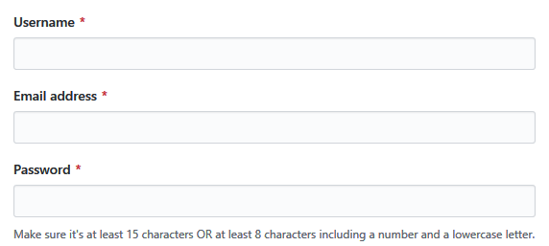

Mobile number
*

Signup

Singup as seller

Login
Username
*

Password
*

Login

Item Search Results

Logout
Buy Item
Purchase history

Search

Manufacturer
Any
▽
Price
8000
~
13000
Filter
Item
Price △▽
Seller
Sales volume△▽

Item Picture
Samsung
Galaxy s7
$ 123456
Seller1
121
View Details >>

Item Picture
Oppo
A5S
$ 8838
Seller2
300
View Details >>
Use scrollbar, if requried

Item Specifications

Logout
Buy Item
Purchase history

Item Picture
Oppo A5S
$ 8838
Seller2
Sales volume 300

Number
1
2
3
4
Checkout
Add to cart

Screen Resolution:1080p
Network Type:4G
Battery Capactity: 3000mA
Memory Storage:64G
Cameras:1000
OS Version:Android 11

Use scrollbar, if requried

<<Back to Search

Shopping Cart
Logout
Buy Item
Purchase history

Item
Price
Number
Total Price

Picture
Samsung
Galaxy s7
$ 123,456
1
$ 123,456
Delete

Picture
Oppo
A5S
$ 8,838
2
$ 17,676
Delete
Use scrollbar, if requried

Total Tax
$100
Total Price
$141,232
Apply Discount
Checkout

When 'Apply Discount' clicked display small text , for User fill to Discount code, and when applyed deduct appropriate %

<<Back to Search
Discount code
Apply

Purchase history
Logout
Buy Item
Purchase history
Display Item Specifications
Item
Price
Number
Total Price
Datetime

Picture
Samsung
Galaxy s7
$ 123,456
1
$ 123,456
5th Nov 2019
View

Picture
Oppo
A5S
$ 8,838
2
$ 17,676
5th Nov 2019
View
Use scrollbar, if requried

<<Back to Search

Seller
Signup (Seller)
Create your account

Company name
*

Contact number
*

GSTIN
*

Postal address
*

Website

Brief about company

Signup

Singup as buyer

Login
Username
*

Password
*

Login

Add Items
Logout
Add Item
Manage Stock
Reports
Item Pictures
Select Category
*
Select
Upload
Select SubCategory
*
Max 4 pictures could upload.
 | Electronic | Mobile | Samsung
 | Dress | TV | OPPO
 | Book | MP4
Manufacturer
*

Item Name
*
A5S
Price
*
$8,838
Save & Sell Item
No. of Stock Items
*
100
Tax
*
10
%

Description
#1
Screen Resolution:1080p
#6
#2
Network Type:4G
#7
#8
#3
Battery Capactity: 3000mA
#4
#9
#5
#10

Manage Stock
Logout
Add Item
Manage Stock
Reports

Item
Price
No. of Stock

Picture
Samsung
Galaxy s7
$ 123,456
100
Update

Picture
Oppo
A5S
$ 8,838
200
Update

Reports
Logout
Add Item
Manage Stock
Reports
Item
From
Search
Output Report
When 'Output Report' button clicked, Excel will be downloaded
2020/1/1
To
2020/3/31

Item
Price
Sold Number
Income
Samsung Galaxy s7
$ 123,456
10
$ 1,234,560

Oppo A5S
$ 8,838
10
$ 88,380

